Sheet1
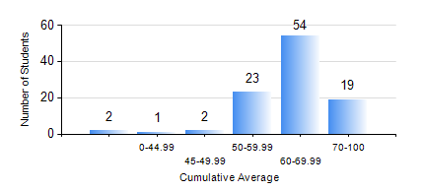
 |  |  | KWAME NKRUMAH UNIVERSITY OF SCIENCE AND TECHNOLOGY, KUMASI Department of Materials Engineering

 |  |  | BSC. METALLURGICAL ENG.

 |  |  | COMPREHENSIVE RECORD OF EXAMINATION RESULTS

 |  |  | RESULTS OF YEAR 1 FIRST SEMESTER, 2018/2019 ACADEMIC YEAR

 | Sn | Course Code |  | Course Name | Credit Hours | Min. Mark | Max. Mark | Avg. Mark | Std. Dev. | No. Passed | No. Trailed | No. (Df) | No. (I) | No. (I*) | No. Tagged(I,I*,Df) | Total
 | 0. |  |  |  |  |  |  | 0 | 0 | 0 | 0 | 0 | 0 | 0 | 0 | 2
 | 1. | EE 151 |  | APPLIED ELECTRICITY | 3 | 40 | 87 | 59 | 13.48 | 99 | 0 | 0 | 0 | 0 | 0 | 99
 | 2. | ENGL 157 |  | COMMUNICATION SKILLS I | 2 | 50 | 78 | 64 | 6.65 | 99 | 0 | 0 | 0 | 0 | 0 | 99
 | 3. | GED 151 |  | BASIC GEOLOGY | 2 | 34 | 84 | 65 | 8.58 | 97 | 2 | 0 | 0 | 0 | 0 | 99
 | 4. | MATH 151 |  | ALGEBRA | 4 | 38 | 88 | 68 | 11.07 | 98 | 1 | 0 | 0 | 0 | 0 | 99
 | 5. | ME 159 |  | TECHNICAL DRAWING | 2 | 26 | 78 | 53 | 8.17 | 96 | 3 | 0 | 0 | 0 | 0 | 99
 | 6. | ME 195 |  | ENGINEERING TECHNOLOGY I | 2 | 40 | 86 | 69 | 9.49 | 99 | 0 | 0 | 0 | 0 | 0 | 99
 | 7. | MSE 153 |  | INTRODUCTION TO INFORMATION TECHNOLOGY | 2 | 41 | 84 | 65 | 8.16 | 99 | 0 | 0 | 0 | 0 | 0 | 99

